Cover
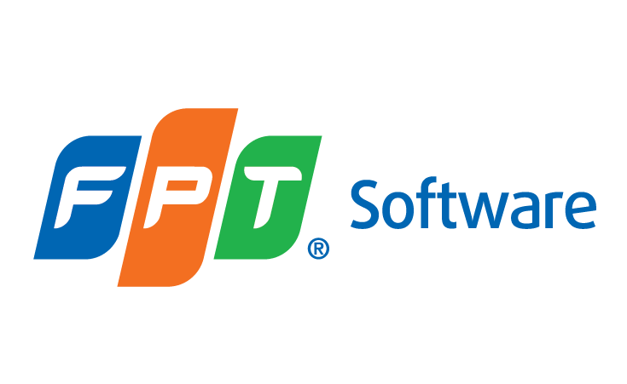

LOMA 281

Meeting Customer Needs with Insurance and Annuities

 | Document Code
 | Version | 1.0
 | Effective Date | 2025-06-26

